Лист1
Test Scenario | Test Case ID | Test Case Name | Preconditions | Test Case Steps | Test Data | Attachment | Exepcted Result | Priority | Run Result
Check the "Login" Functionality | 1 | Check response on entering valid username and valid password | User need to login in page . | 1.Register on http://qwallity4.herokuapp.com/login 2.Select "Login" button 3.Enter valid username 4.Enter valid password 5.Click "Log in" button | <valid username:Hakobhakobyan> <valid password:Hakobyan9875> |  | User should be able to login |  | Pass
 | 2 | Check response on entering valid username and invalid password | User should not be able to login in page. | 1.Register on http://qwallity4.herokuapp.com/login 2.Select "Login" button 3.Enter valid username 4.Enter invalid password 5.Click "Log in" button | <valid username:Hakobhakobyan> <invalid password:hakobyan1111> | 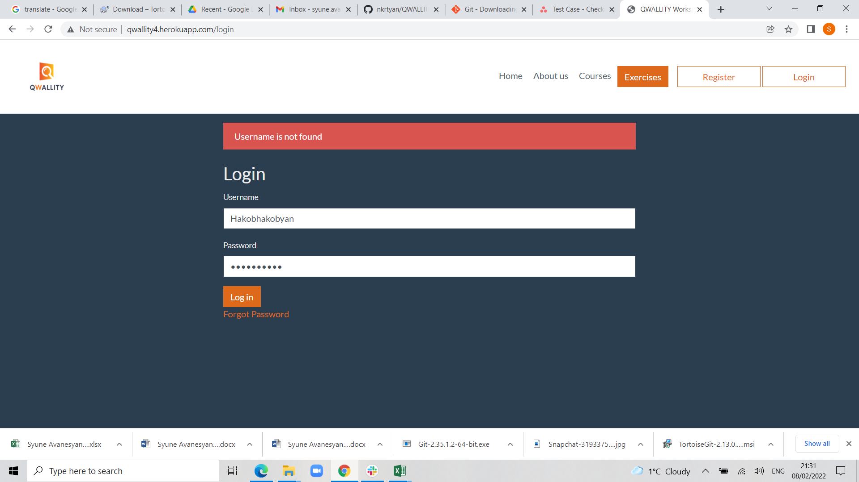 | User should not be able login.The message must be "Username is not found". |  | Pass
 | 3 | Check response on entering invalid username and valid password | User should not be able to login in page. | 1.Register on http://qwallity4.herokuapp.com/login 2.Select "Login" button 3.Enter invalid username 4.Enter valid password 5.Click "Log in" button | <invalid username:hakobHakobyan> <valid password:Hakobyan9875> | 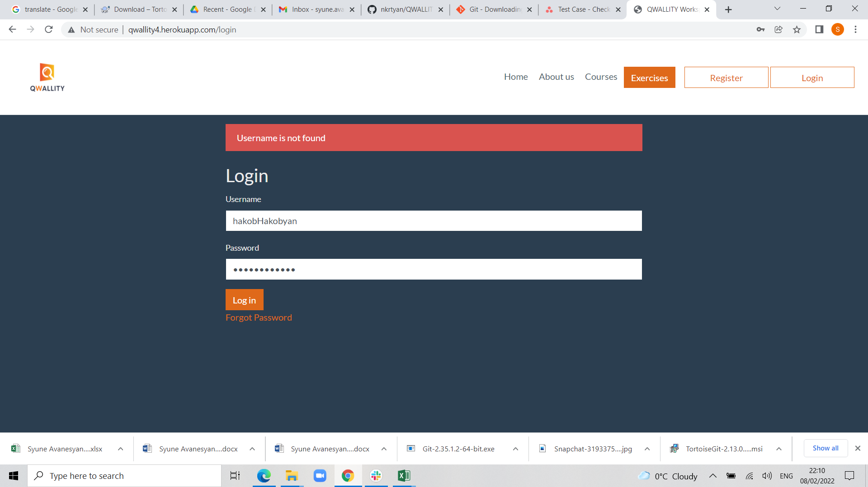 | User should not be able login.The message must be "Username is not found". |  | Pass
 | 4 | Check response on empty username and password | User need to get right context message. | 1.Register on http://qwallity4.herokuapp.com/login 2.Select "Login" button 3.Click "Log in" button without filling in the "usernsme" and "password" fields | <empty username field> <empty password field> | 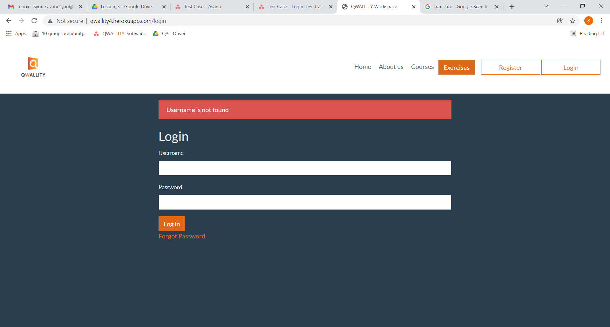 | Must be appear correctly message about empty fields: The "username" and "pasword" fields must be fill. | Medium | Fail

